Bug Report
Defect Report |  | Defect Report |  | Defect Report |  | Defect Report |  | Defect Report

Release | V.1.0 | Release | V.1.0 | Release | V.1.0 | Release | V.1.0 | Release | V.1.0
Title | User is not able to signup if he/she enters a first name with three charachters | Title | The location of the loader in the login page is wrong | Title | No available task message will appear when adding a total of 5 tasks | Title | UI appears inconsistent across different devices | Title | Saved login doesn't persist across browsers
Steps | 1- Enter a first name with "sds". 2- Fill a correct last name. 3- Fill a correct email formate, and the email should not be registered in the database. 4- Fill a correct password. 5- Fill a correct confirm password. 6- Click on signup button | Steps | 1- Go to login page 2- Fill the email 3- Fill the password 4- Click on login 5- Check the loader | Steps | 1- Go to Todos Page 2- Add 5 tasks | Steps | 1. Open the ToDo page using: a. Mobile device (e.g., Chrome DevTools Mobile View) b. Tablet device c. Desktop | Steps | 1. Register and login using Google Chrome 2. Open the same app on Microsoft Edge or Firefox 3. Check if user is still logged in or has to re-login
Expected Results | Should be able to signup correctly | Expected Results | The loader should appear correctly in the correct location | Expected Results | No available tasks should not be visible | Expected Results | Layout should remain visually consistent and user-friendly across all screen sizes | Expected Results | User session should persist or behave consistently across browsers
Actual Result | This error message was displayed "First Name is required, and it should be more than 3 characters" | Actual Result | The loader will be displayed in a wrong location | Actual Result | No available task is visible | Actual Result | On mobile, components are either too small or misaligned compared to desktop. Extra spacing in header. | Actual Result | Login/session does not persist between browsers (e.g., logged in on Chrome, but not on Edge)
Environment | Chrome V. 137.0.7151.70 | Environment | Chrome V. 137.0.7151.70 | Environment | Chrome V. 137.0.7151.70 | Environment | Chrome V. 137.0.7151.70 | Environment | Chrome V. 137.0.7151.70
Screenshot / Video |  | Screenshot / Video | 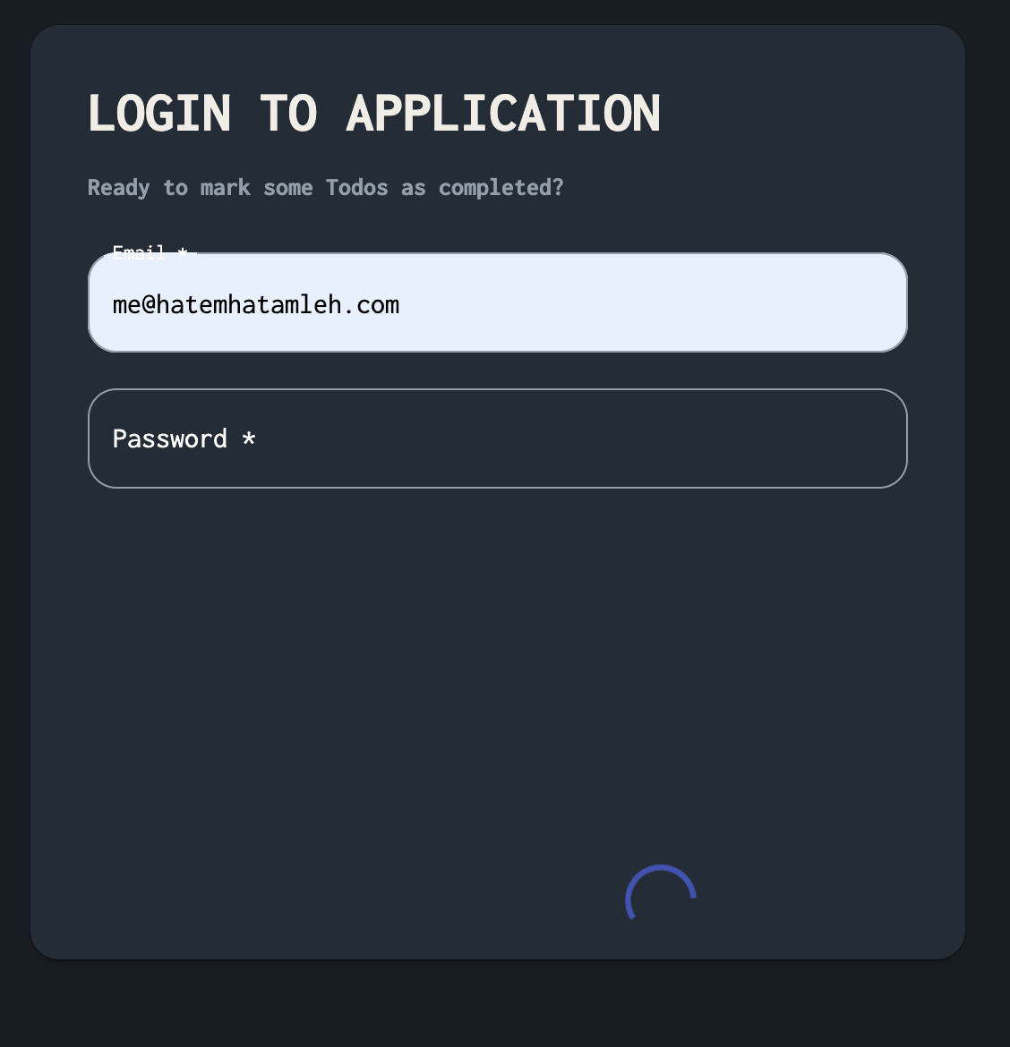 | Screenshot / Video |  | Screenshot / Video |  | Screenshot / Video | N/A
Rate | 2025-04-04 | Rate | 2025-04-04 | Rate | 2025-04-04 | Rate | 2025-04-04 | Rate | 2025-04-04
Severity | A | Severity | C | Severity | A | Severity | A | Severity | B
Priority | B | Priority | C | Priority | A | Priority | A | Priority | A
Status | Closed | Status | Closed | Status | Closed | Status | Open | Status | Open

